TECHNICAL SHEET OUTER GARMENT
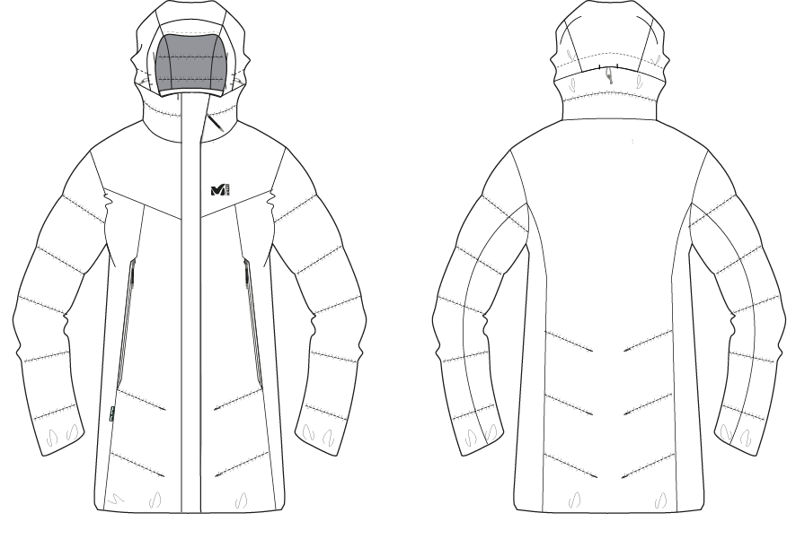
 |  | TECHNICAL SHEET GARMENT | WINTER 19/20
MIV8567 |  | LD TRIVOR PARKA | DEVELOPPER | FRANÇOISE
INDEX | 1 |  | PRODUCT MANAGER | CAMILLE
DATE | 2018-04-24

TECHNICAL SHEET INNER GARMENT
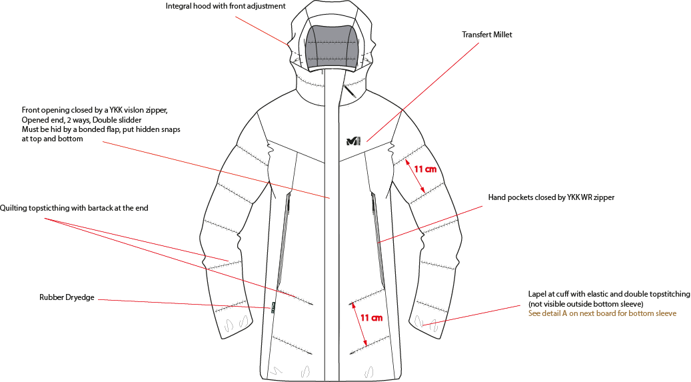
 |  | TECHNICAL SHEET GARMENT | WINTER 19/20
MIV8567 |  | LD TRIVOR PARKA | DEVELOPPER | FRANÇOISE
INDEX | 1 |  | PRODUCT MANAGER | CAMILLE
DATE | 2018-04-24

TECHNICAL SHEET INNER GARME (2)
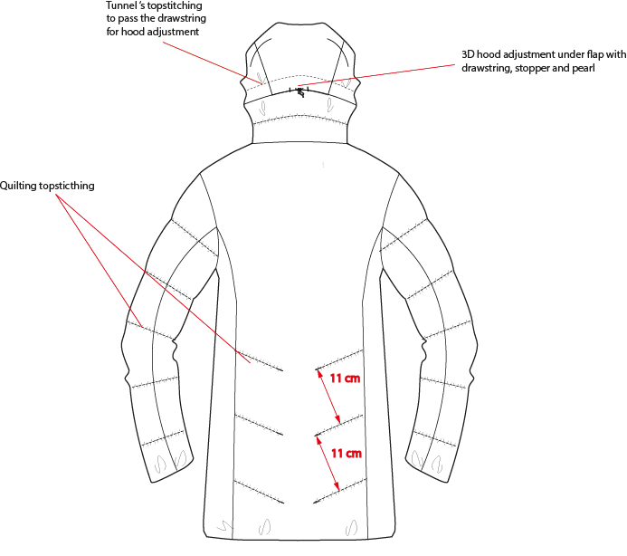
 |  | TECHNICAL SHEET GARMENT | WINTER 19/20
MIV8567 |  | LD TRIVOR PARKA | DEVELOPPER | FRANÇOISE
INDEX | 1 |  | PRODUCT MANAGER | CAMILLE
DATE | 2015-03-12

DESIGN DETAIL #1
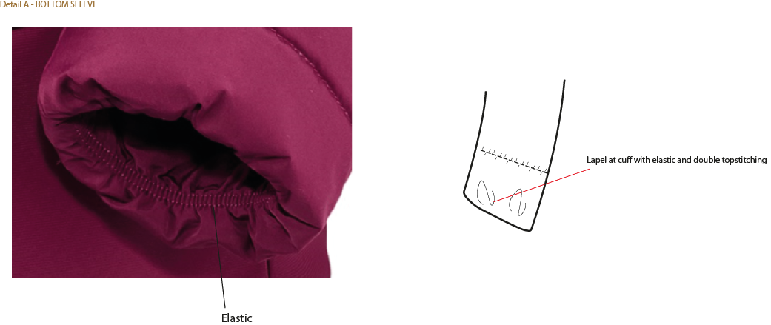
 |  | MARKING AND TRIMS | WINTER 19/20
MIV8567 |  | LD TRIVOR PARKA | DEVELOPPER | FRANÇOISE
INDEX | 1 |  | PRODUCT MANAGER | CAMILLE
DATE | 2018-04-24

LINING OUTER
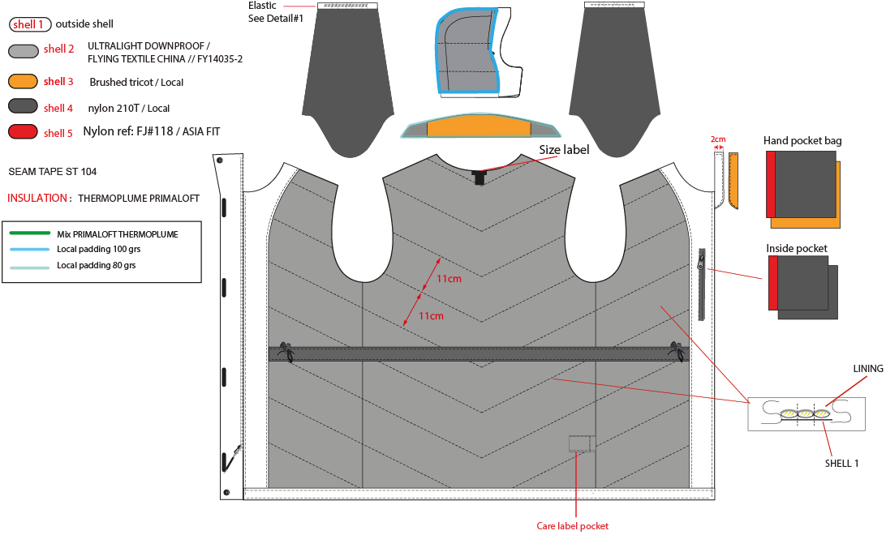
 |  | LINING OUTER | WINTER 19/20
MIV8567 |  | LD TRIVOR PARKA | DEVELOPPER | FRANÇOISE
INDEX | 1 |  | PRODUCT MANAGER | CAMILLE
DATE | 2018-04-24

COLOR COMBINATION ALPHA
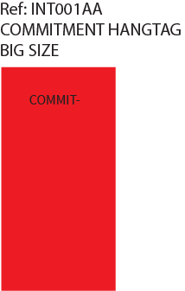
 |  | COLOR COMBINATION |  |  |  |  |  | WINTER 19/20
MIV8567 |  | LD TRIVOR PARKA |  |  |  |  |  | DEVELOPPER |  |  | FRANÇOISE
INDEX | 1 |  |  |  |  |  |  | PRODUCT MANAGER |  |  | CAMILLE
DATE | 2018-04-24
FABRICS // |  |  |  |  |  |  | WEIGHT (PRODUCT FINISH) M SIZE | ...g
DESCRIPTION |  |  |  | DESIGNATION |  | COLOR 1 | COLOR 2 | XS | S | M | L | XL | XXL
DRYEDGE CANVAS 2L FLYING TEX SUPPLIER - PFD0100Z07 |  |  |  | SHELL FABRIC |  | COLOR 1
ULTRALIGHT DOWNPROOF / FLYING TEXTILE CHINA // FY14035-2 (OIL CIRE + C0 DWR) |  |  |  | LINING |  | COLOR 1
DOWN BAG |  |  |  | Quilting down insulation, between insulation and shell fabric |  | BLACK
BRUSHED TRICOT - LOCAL |  |  |  | INNER COLLAR, OUTER POCKET SACK, CHIN FLAP |  | BLACK
NYLON 210T - LOCAL |  |  |  | INNER POCKET SACK |  | BLACK
NYLON FJ118 - LOCAL OR ASIA FIT |  |  |  | FACING HAND POCKET |  | BLACK
PRIMALOFT THERMOPLUME INSULATION |  |  |  | INSULATION : SLEEVE, body 400gr |  | WHITE
LOCAL PADDING 100gr |  |  |  | INSULATION HOOD |  | WHITE
LOCAL PADDING 80gr |  |  |  | INSULATION COLLAR |  | WHITE
TRIMS AND ACCESSORIES //
DESCRIPTION |  | WIDTH | SUPPLIER | DESIGNATION | QTY | COLOR 1 | COLOR 2 | XS | S | M | L | XL | XXL
ZIPPER VISLON YKK #5 OPENED END - 2 WAYS DOUBLE SIDER DALH |  | 14 mm tape width | YKK | MIDDLE FRONT | 1 | TONE ON TONE |  |  |  | 82cm
ZIPPER W/R REVERSE NYLON #3 CLOSED-END 1WAY - SLIDER DFBW |  | 10 mm tape width | YKK | HAND POCKETS | 2 | TONE ON TONE |  |  |  | 20cm
ZIPPER REVERSE #3 CLOSED END 1 WAY - SLIDER DFDW |  | 9 mm tape width | YKK | INNER POCKET | 1 | TONE ON TONE |  |  |  | 18cm
 |  |  | DRAGON TIME | MIDDLE FRONT SLIDER, HAND POCKET SLIDER | 3 | CONTRASTED
 |  | 18x17mm | UNITEX | FRONT HOOD ADJUSTEMENT | 2 | CONTRASTED
 |  | 8mm height | YF |  | 2 | CONTRASTED
 |  | 2,8mm diam | YF |  | 1 | CONTRASTED
 |  | 15x6mm | UNITEX |  | 2 | CONTRASTED
 |  | 9mm diam | UNITEX |  | 4 | CONTRASTED
 |  | 18x17mm | UNITEX | BACK HOOD ADJUTEMENT | 1 | CONTRASTED
 |  | 8mm height | YF |  | 1 | CONTRASTED
 |  | 2,8mm diam | YF |  | 1 | CONTRASTED
 |  | 9mm diam | UNITEX |  | 2 | CONTRASTED
 |  | 15x6mm | UNITEX |  | 1 | CONTRASTED
 |  | 18x17mm | UNITEX | WAIST ADJUSTMENT ON LINING | 2 | CONTRASTED
 |  | 8mm height | YF |  | 2 | CONTRASTED
 |  | 2,8mm diam | YF |  | 1 | CONTRASTED
 |  | 9mm diam | UNITEX |  | 4 | CONTRASTED
 |  | 15x6mm | UNITEX |  | 2 | CONTRASTED
FLAT ELASTIC |  | 7 mm | LOCAL | BOTTOM CUFF | 2 | BLACK OR WHITE
ROUNDED VELCRO FEMALE |  | 10 mm | LOCAL | FRONT FLAP | 4 | TONE ON TONE
ROUNDED VELCRO MALE |  |  |  | FRONT FLAP | 4 | TONE ON TONE
BLACK ZINC SNAPS, HIDDEN |  | 12,5mm | LOCAL | INSIDE CENTER FRONT FLAP | 2 | BLACK OXIDIZED
MEMORY CABLE FOR VISOR |  |  | LOCAL |  | 1 | TRANSPARENT
SEAM TAPE ST104 |  |  | TAPE 2L 4MIL 13MM/22MM |  |  | STANDARD
MARKING
DESCRIPTION |  | WIDTH | SUPPLIER | DESIGNATION | QTY | COLOR 1 | COLOR 2 | XS | S | M | L | XL | XXL
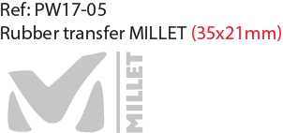 |  |  | CLOTEX | RUBBER TRANSFERT | 1 | COLOR 1
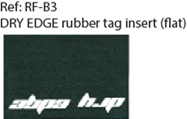 |  |  | DRAGON TIME | DRYEDGE RUBBER TAG UNDER RIGHT SIDE | 1 | BLACK AND WHITE
LABELS AND HANG TAG
DESCRIPTION |  | SUPPLIER | REFERENCE | DESIGNATION | QTY | COLOR 1 | COLOR 2 | XS | S | M | L | XL | XXL
 |  | SML |  | NECKLINE | 1 | STANDARD
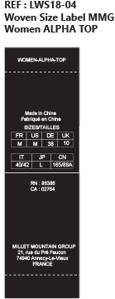 |  | SML |  | NECKLINE | 1 | STANDARD
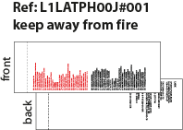 |  | SML |  | SIDE SEAM |  | STANDARD
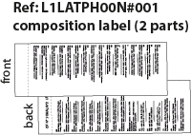 |  | SML |  | SIDE SEAM |  | STANDARD
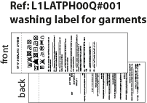 |  | SML |  | SIDE SEAM |  | STANDARD
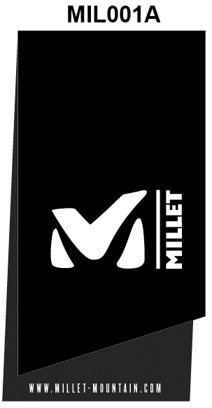 |  | TRIPLE STAR |  | HANG TAG | 1 | STANDARD
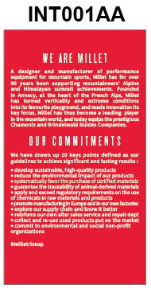 |  | TRIPLE STAR |  | HANG TAG | 1 | STANDARD
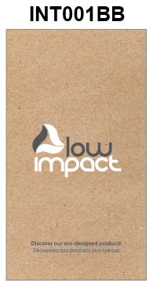 |  | TRIPLE STAR |  | HANG TAG | 1 | STANDARD
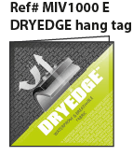 |  | TRIPLE STAR |  | HANG TAG | 1 | STANDARD
 |  | TRIPLE STAR |  | HANG TAG to put inside the left hand pocket | 2 | BLACK
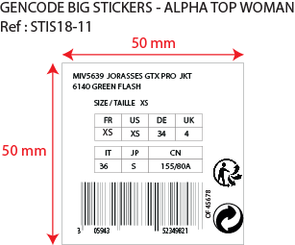 |  | LOCAL |  | ON MAIN HANGTAG AND ON POLYBAG | 2 | STANDARD
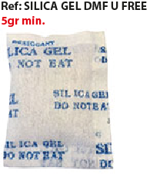 |  | LOCAL |  | INSIDE EACH POLYBAG | 1 | STANDARD

JACKET SKETCH MEASUREMENTS
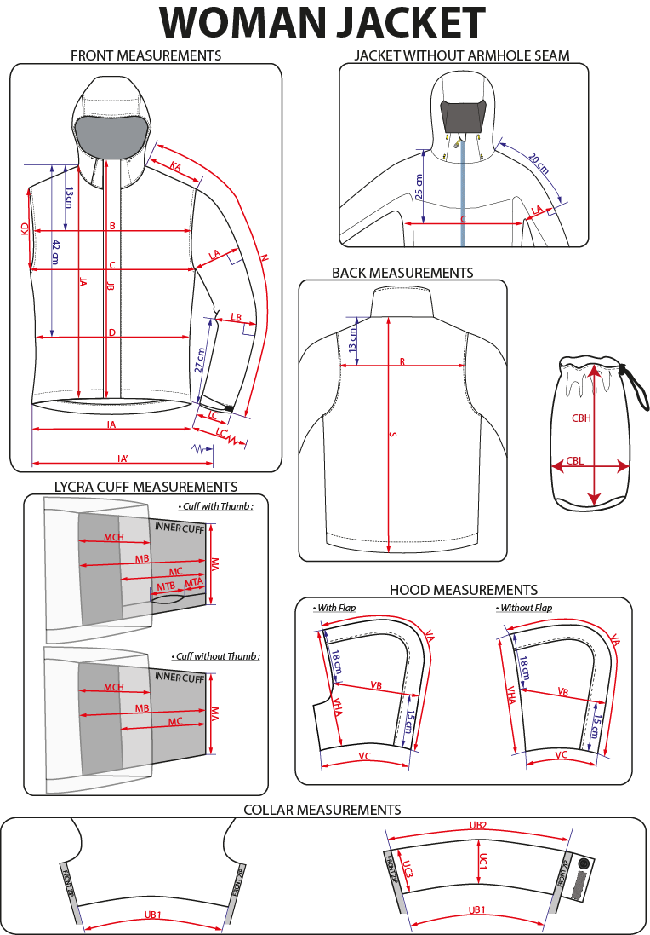
 |  | HOW TO TAKE MEASUREMENTS |  | WINTER 19/20
MIV8567 |  |  | LD TRIVOR PARKA | DEVELOPPER | FRANÇOISE
INDEX | 1 |  |  | PRODUCT MANAGER | CAMILLE
DATE | 2018-04-24

